Other Phase I graphics
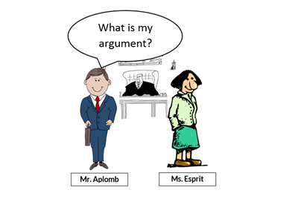
1 | CCS28CCT3 | 1 | Illustration | Alomb and Esprit cartoon: What is my argument?

 | This is one of a series of 5 cartoons. Each shows a phase in the argument.
 | Aplomb is suing his neighbor for having loud parties and keeping him awake at night.
 | These people are pretty decent representations of what we had in mind for the characters.
 | Esprit could be a little more free spirited. Kate draws her as a Jules Feiffer person.

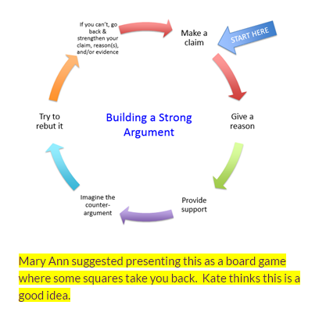
1 | CCS28CCT3 | 5 | Graphic | Building a strong argument graphic

1 | Essays | 2 | Illustration | Thesis statement | An illustration showing the structure of a thesis statement, and images representing too narrow or too broad. Memory aid of some sort. Grecian temple with three columns or something? Read the mini-lesson to see what this is all about. Use these examples from the mini-lesson. Just right: When you take on your own gardening, you can enjoy the delicious flavor of home grown fruits and vegetables, engage in healthy outdoor activity, and save money. Too broad: Gardening includes many tasks. Too narrow: Do-it-yourself gardening can save you money on tomatoes.

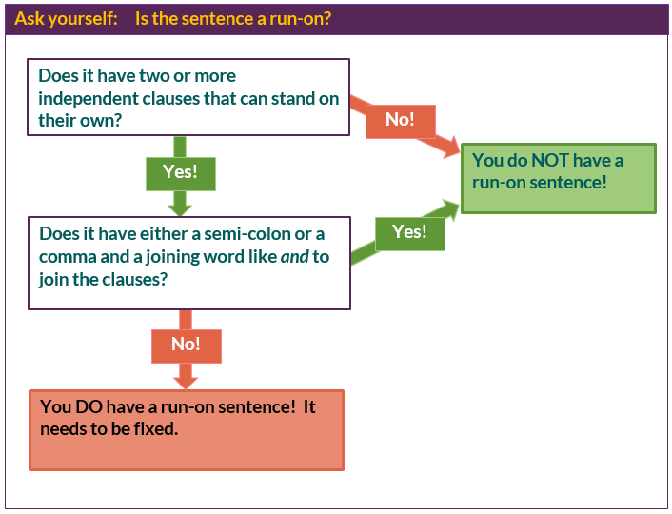
1 | CS33 | 2 | Flow chart | Ask yourself: Deciding if a sentence is a run-on

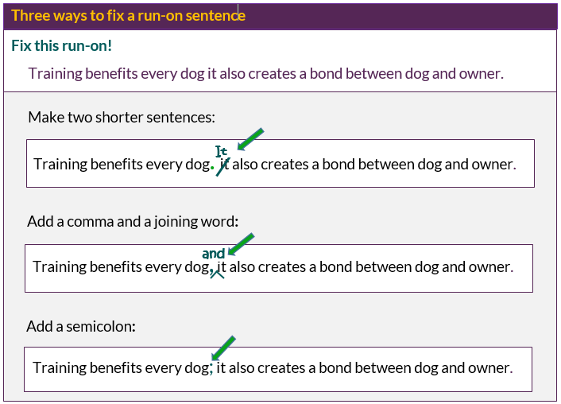
1 | CS33 | 2 | Edited Writing | Fixing run-ons: Picture it

 | This one is a bit of anomaly. More commonly we will have a chunk of text like a paragraph,
 | and we will be annotating that.

 | We need a recommendation for a good online handwriting font that everyone will have
 | to use in the Overviews as well. Currently we have been using Coming Soon (google font)

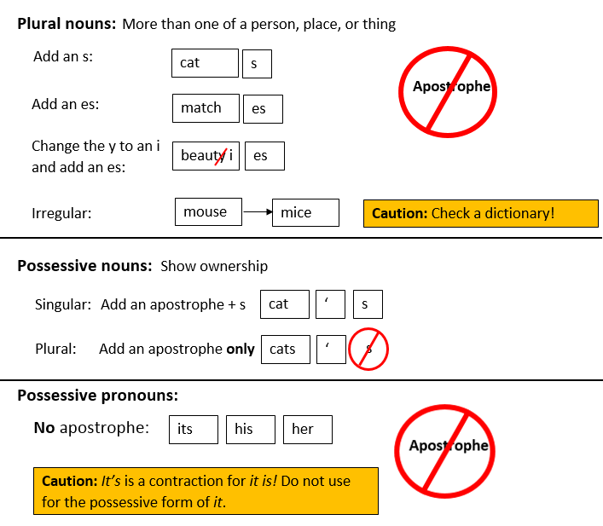
1 | CS33 | 7 | Diagram | Plurals and Possessives: Picture it

 | Students liked many of the ideas in this summary, EXCEPT we cannot break the words up by putting
 | boxes around the letters.

